Indices

 | Iraq Stock Exchange
 | Bulletin No (215)

 | ISX Trading Indices of Monday 1/12/2025

 | Traded Volume and OTC |  | 396,042,843 |  | Traded Value and OTC |  | 582,076,087 |  | Traders | 827

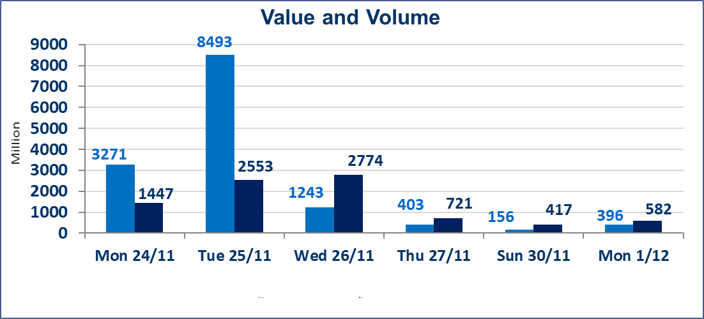
 | ISX Index 60 |  |  | 963.32 | ISX Index 15 |  |  | 1187.68
 | Previous ISX Index60 |  |  | 955.37 | Previous ISX Index15 |  |  | 1183.33
 | Change % |  |  | 0.83 | Change % |  |  | 0.37
 | Change |  |  | 7.95 | Change |  |  | 4.35

 | Listed Companies | 104 | OTC | 14 | Non Traded listed | 46 | OTC | 11
 | Traded Listed Companies | 42 | OTC | 0 | Higher Companies |  |  | 13
 | GAM Companies |  |  | 5 | Lower Companies |  |  | 12
 | Suspended Companies |  |  | 11
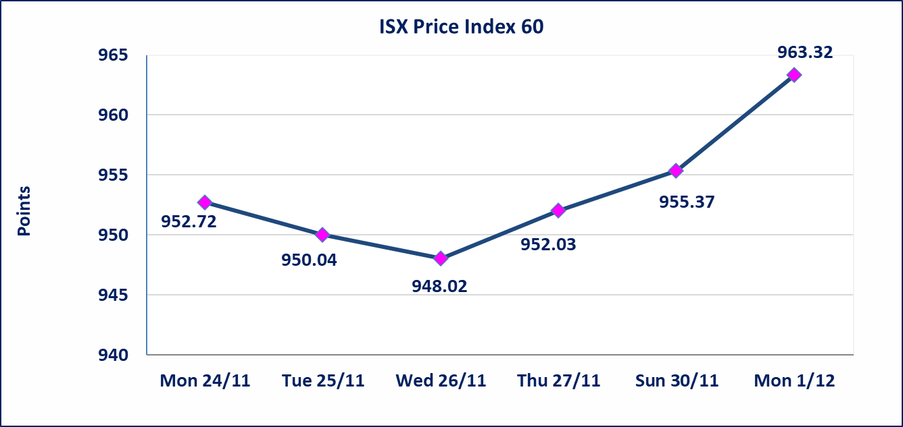
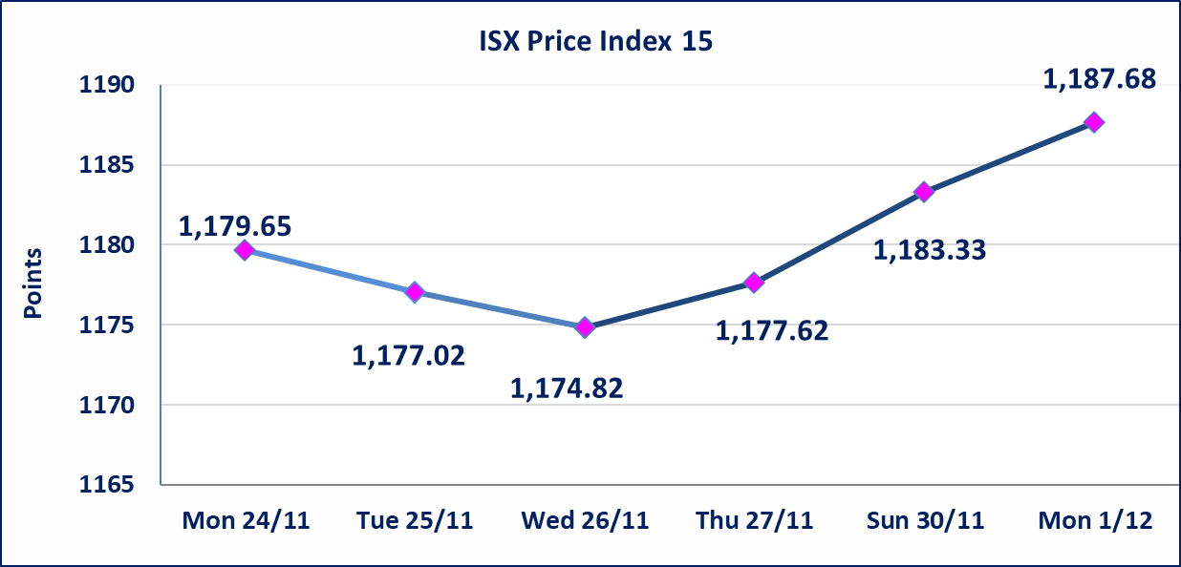

Al-Alwiya P.O . 3607 Mobile: 07711211522 - 07270094594 - 07834000034 E-mail: info-isx@isx-iq.net Web site:www.isx-iq.net

Top 5
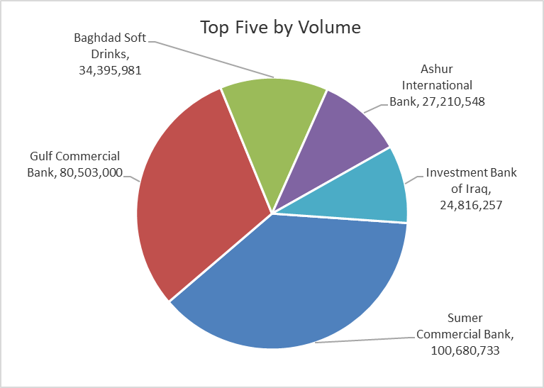
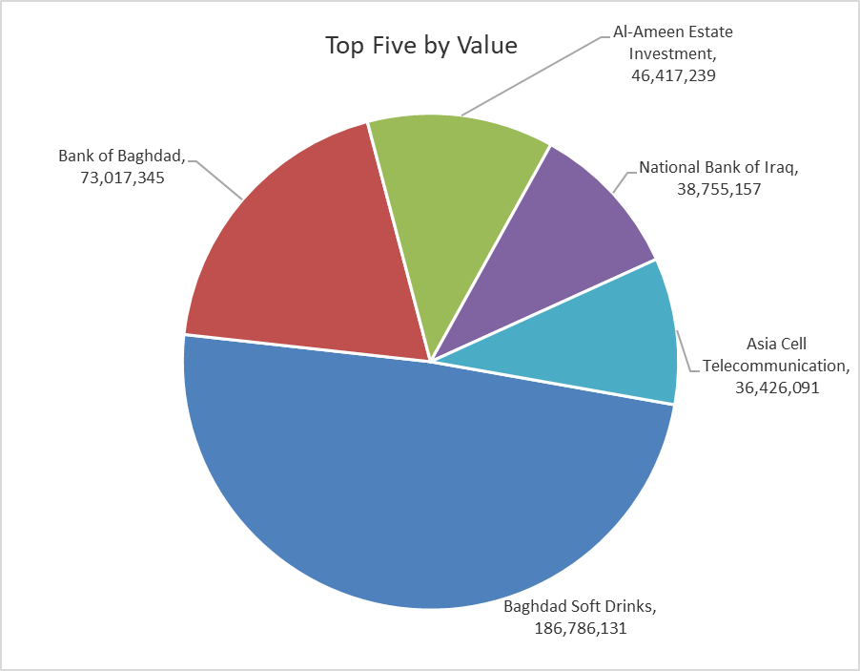
ISX top ganing and losing companies
Monday 1/12/2025
Gainers |  |  |  | Losers
Company Name | Closing Price | Change (%) | Traded Volume | Company Name | Closing Price | Change (%) | Traded Volume
Investment Bank of Iraq | 0.230 | 9.52 | 24,816,257 | Iraqi Carton Manufactories | 2.100 | -5.41 | 65,000
Al-Ameen for Insurance | 0.950 | 6.74 | 1,206,002 | General Transportation | 1.900 | -5.00 | 803,257
Modern Construction Materials | 0.700 | 4.48 | 15,000 | AL-Badia for General Trans | 1.090 | -4.39 | 14,845
Al-Ameen Estate Investment | 2.400 | 4.35 | 18,962,875 | National Chemical &Plastic | 1.860 | -2.11 | 365,000
Al -Khazer Construction Materials | 1.300 | 4.00 | 4,915,434 | Babil Animal & Vegetable Production | 13.990 | -1.89 | 494,016

The most active companies in term of traded volume and value

Traded Volume |  |  |  | Traded Value
Company Name | Closing Price | Change (%) | Traded Volume | Company Name | Closing Price | Change (%) | Traded Value
Sumer Commercial Bank | 0.110 | 0.00 | 100,680,733 | Baghdad Soft Drinks | 5.470 | 3.21 | 186,786,131
Gulf Commercial Bank | 0.290 | 0.00 | 80,503,000 | Bank of Baghdad | 3.450 | -0.58 | 73,017,345
Baghdad Soft Drinks | 5.470 | 3.21 | 34,395,981 | Al-Ameen Estate Investment | 2.400 | 4.35 | 46,417,239
Ashur International Bank | 0.260 | 0.00 | 27,210,548 | National Bank of Iraq | 4.700 | 0.00 | 38,755,157
Investment Bank of Iraq | 0.230 | 9.52 | 24,816,257 | Asia Cell Telecommunication | 13.000 | 0.00 | 36,426,091

OTC

Iraq Stock Exchange

Monday 1/12/2025

Not Trading OTC Companies
Company Name | Code | Previous Average price
Banks Sector
Al-Warka Bank | BWAI | 0.080
Al-Sanam Islamic Bank | BSAN | 3.000
Hammurabi Commercial Bank | BHAM | ـــــــــــــــــــــــــــــــــــ
Money Service Sector
Rabee Securities | FRSE | 9.500
Karmal Brokerage | FKSX | 10.000
Ishtar Gate for e-Paymant | FISH | 1.000
Sama Baghdad Exchange | FSBE | ـــــــــــــــــــــــــــــــــــ
Iraqi Deposit Insurance Corporation | FIDI | ـــــــــــــــــــــــــــــــــــ
Insurance Sector
Al Badia Insurance | NBAD | ـــــــــــــــــــــــــــــــــــ
Shatt Al Arab Insurance | NSHA | 1.000
Dilina Insurance Company | NDIL | ـــــــــــــــــــــــــــــــــــ

Non Iraqis

Iraq Stock Exchange
Non Iraqis' Bulletin Monday Dec 1 2025
Regular Market
Non Iraqi Trading of Regular Market (Buy)
Company Names | Code | No.of trades | Traded Shares | Trading Volume
Banks Sector
Bank Of Baghdad | BBOB | 1 | 2,000 | 6,940
National Bank Of Iraq | BNOI | 8 | 5,375,000 | 25,262,500
Total Bank sector |  | 9 | 5,377,000 | 25,269,440
Hotel Sector
Mansour Hotel | HMAN | 1 | 2,000 | 76,000
Total Hotel Sector |  | 1 | 2,000 | 76,000
Grand Total |  | 10 | 5379000 | 25345440

Non Iraqi Trading of Regular Market (Sell)
Company Names | Code | No.of trades | Traded Shares | Trading Volume
Banks Sector
Commercial Bank of Iraq | BCOI | 1 | 500,000 | 340,000
Bank Of Baghdad | BBOB | 1 | 3,000,000 | 10,410,000
Al-Mansour Bank | BMNS | 26 | 7,000,000 | 13,930,000
Total Bank sector |  | 28 | 10,500,000 | 24,680,000
Grand Total |  | 28 | 10500000 | 24680000
Non Iraqi Trading of Second Market (Sell)
Company Names | Code | No.of trades | Traded Shares | Trading Volume
Banks Sector
Credit Bank Of Iraq | BROI | 3 | 500,000 | 320,000
Total Bank sector |  | 3 | 500,000 | 320,000
Industry sector
Fallujah for Construction Materials | IFCM | 4 | 750,000 | 2,415,000
Total Industry sector |  | 4 | 750,000 | 2,415,000
Grand Total |  | 7 | 1,250,000 | 2,735,000

